Dedeman1
Bug ID |  | BUG_01 | Title | Choose your city feature doesn't work
Description |  | Choose your city feature fails to work properly when partial data is used
Environment |  | Google Chrome Version 115.0.5790.110 (64-bit) |  | Priority | low | Severity | low
Precondtion |  | Google Chrome browser must be opened The page must be translated into English

QA Tester’s Log

Tester's Name |  | Iordache Valentin | Date Tested | 01.08.2023

Step # | Steps to reproduce
1 | Visit https://beta.dedeman.ro
2 | Click on "Choose your city"
3 | Click "County" box
4 | When you write "BR", a list of counties appeared and if you click on Brasov, Braila will be selected instead
5 | When you write "BR" in the "Town" box and try to select Ibrianu, Braila will be selected instead

Current results |  | After partialy writing a county/town, when we click on one in the list it automaticaly selects the first one in the list.

Expected Results |  | After partialy writing a county/town, we must be able to click on the desired county/town and select it.

SCREENSHOOT
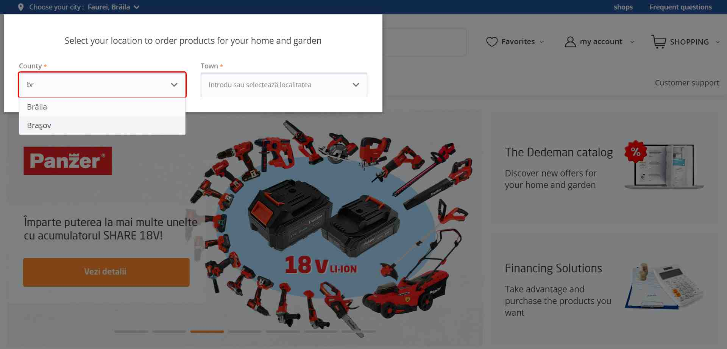

 |  |  |  |  |  |  |  | Link to screenshot
 |  |  |  |  |  |  |  | https://github.com/ValentinIordache92/Portfolio/blob/main/Choose_your_city1.jpg

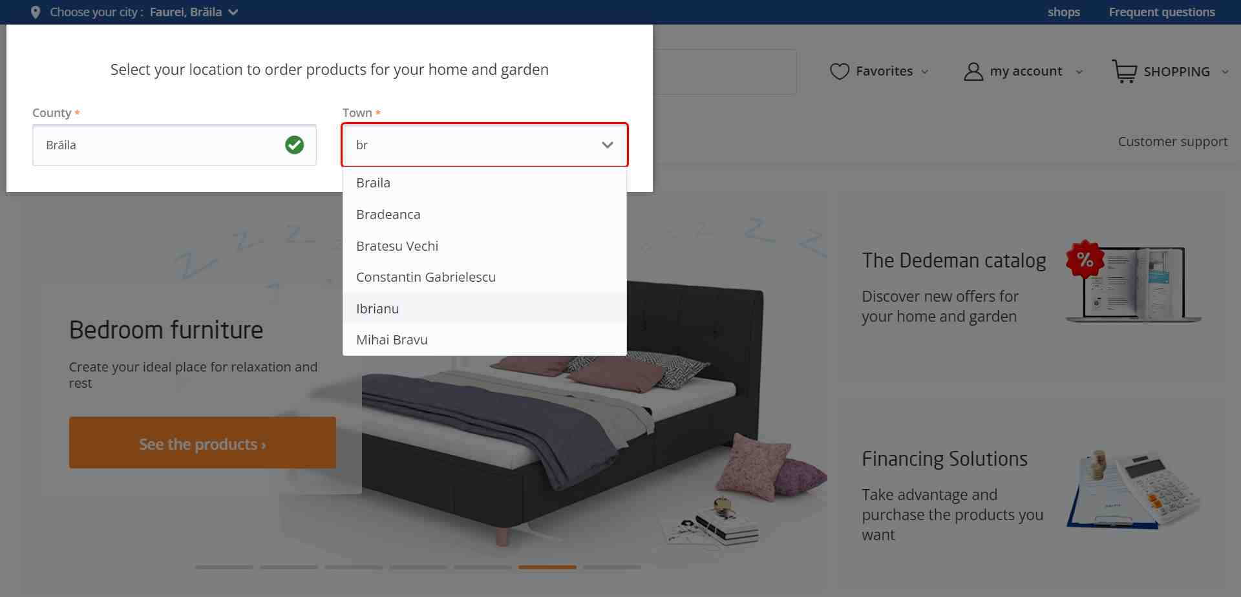

 |  |  |  |  |  |  |  | Link to screenshot
 |  |  |  |  |  |  |  | https://github.com/ValentinIordache92/Portfolio/blob/main/Choose_your_city2.jpg

Dedeman2
Bug ID |  | BUG_02 | Title | Checkbox does not work as it should
Description |  | If you check more than one box at a short interval of time (a few seconds), only the last one stays checked.
Environment |  | Google Chrome Version 115.0.5790.110 (64-bit) |  | Priority | low | Severity | medium
Precondtion |  | Google Chrome browser must be opened The page must be translated into English

QA Tester’s Log

Tester's Name |  | Iordache Valentin | Date Tested | 02.08.2023

Step # | Steps to reproduce
1 | Visit https://beta.dedeman.ro
2 | Click on "Product categories"
3 | Click on Bathroom and then Bath tubs
4 | Scroll down until the checkboxes on the left are visible
5 | Try to check multiple checkboxes

Current results |  | Only the last checkbox ticked will remain selected

Expected Results |  | All the checkboxes must remain selected or the list of products should be refreshed after each box that has been ticked.

SCREENSHOOT

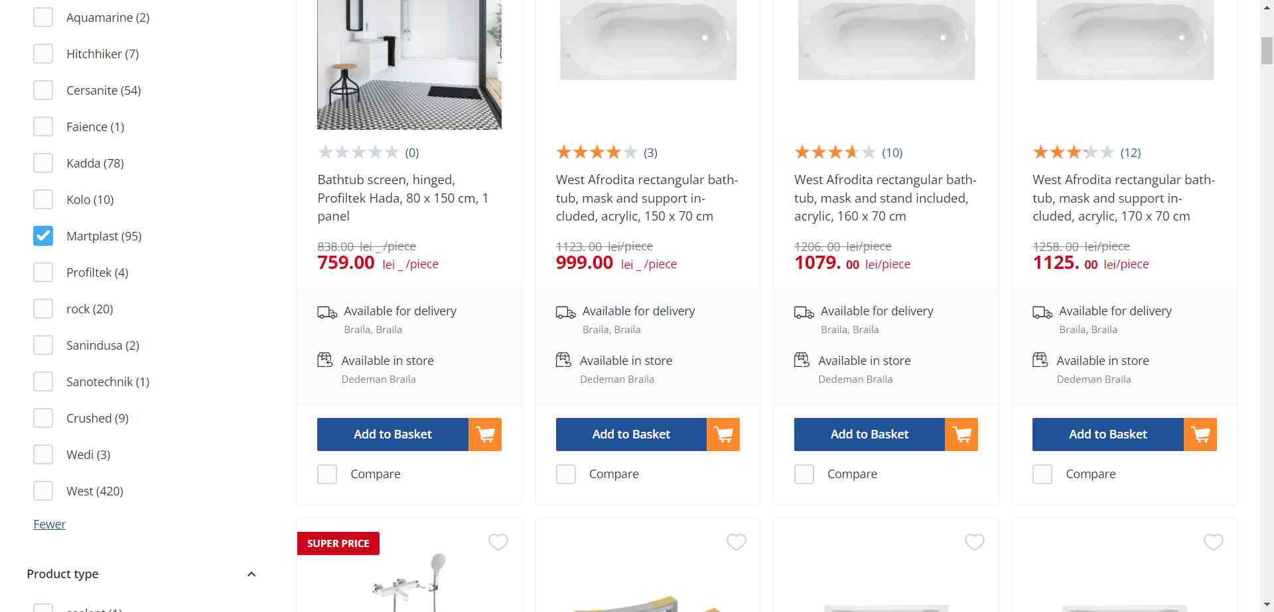
 |  |  |  |  |  |  |  | Link to screenshot
 |  |  |  |  |  |  |  | https://github.com/ValentinIordache92/Portofoliu/blob/main/Checkbox1.jpg

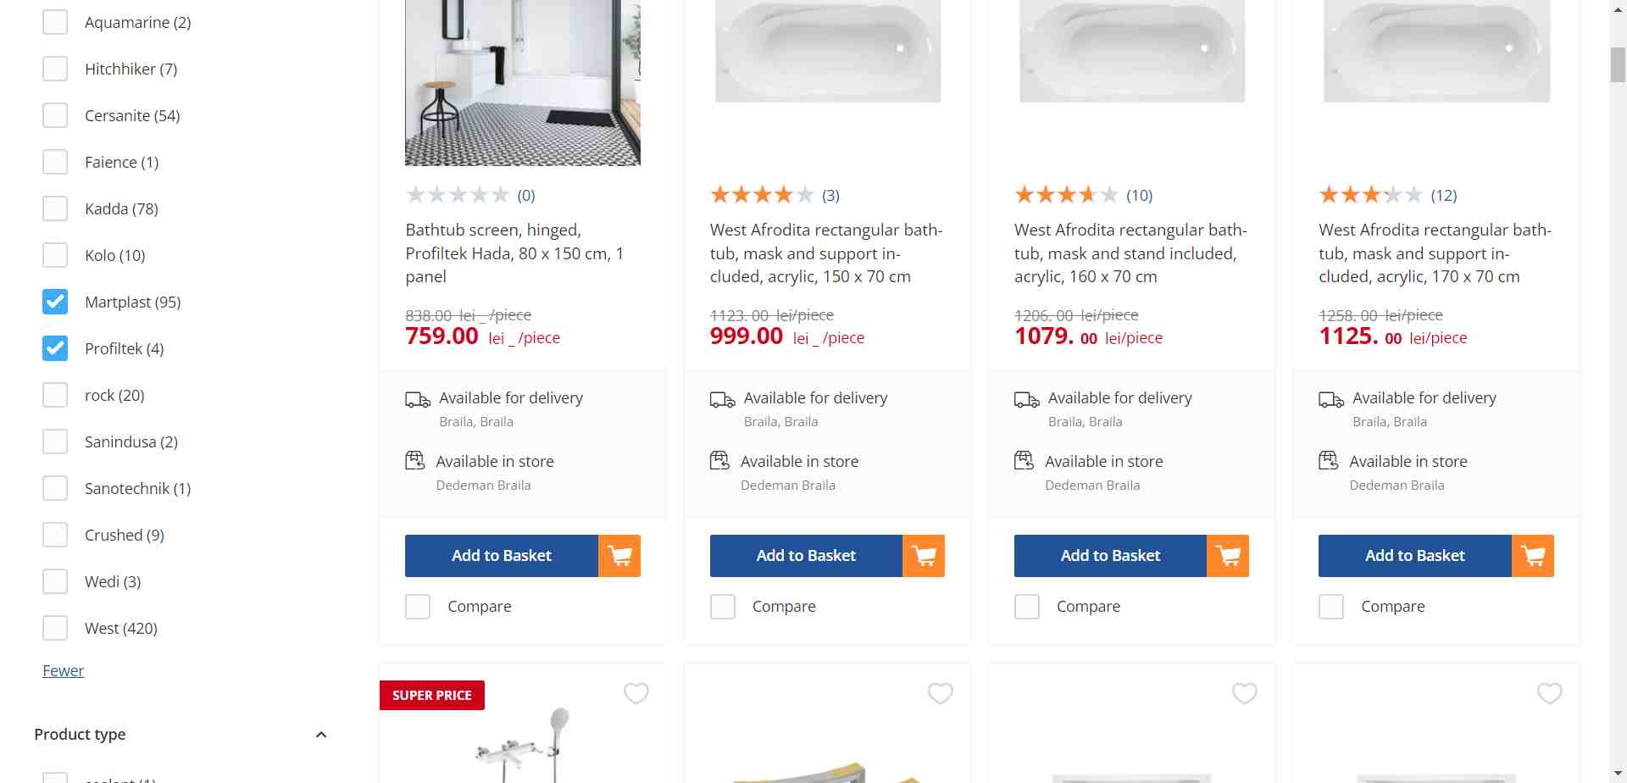

 |  |  |  |  |  |  |  | Link to screenshot
 |  |  |  |  |  |  |  | https://github.com/ValentinIordache92/Portofoliu/blob/main/Checkbox2.jpg

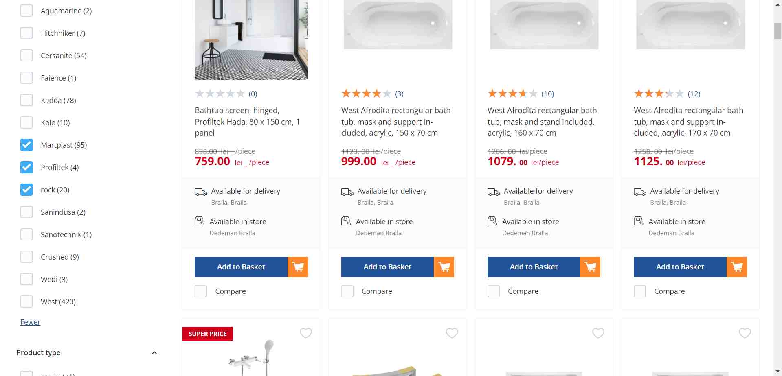

 |  |  |  |  |  |  |  | Link to screenshot
 |  |  |  |  |  |  |  | https://github.com/ValentinIordache92/Portofoliu/blob/main/Checkbox3.jpg

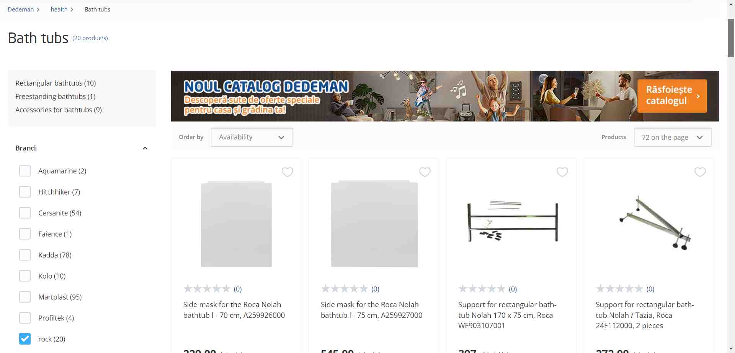

 |  |  |  |  |  |  |  | Link to screenshot
 |  |  |  |  |  |  |  | https://github.com/ValentinIordache92/Portofoliu/blob/main/Checkbox4.jpg

Dedeman3
Bug ID |  | BUG_03 | Title | Add to basket tab is falsely active
Description |  | When you check a product and want to add it to basket, it says that the product is out of stock. The tab should be inactive
Environment |  | Google Chrome Version 115.0.5790.110 (64-bit) |  | Priority | low | Severity | low
Precondtion |  | Google Chrome browser must be opened The page must be translated into English City/town/store must be selected

QA Tester’s Log

Tester's Name |  | Iordache Valentin | Date Tested | 04.08.2023

Step # | Steps to reproduce
1 | Visit https://beta.dedeman.ro
2 | Click on "Product categories"
3 | Click on Bathroom and then Bath tubs
4 | Scroll down to see the list of products
5 | Click on a product that has the "Add to basket" tab inactive
6 | The tab is active now but doe not work because the product is out of stock

Current results |  | The "Add to basket tab" is active but you can not add the product in the basket because it is out of stock

Expected Results |  | If the product is out of stock, the tab should be inactive

SCREENSHOOT

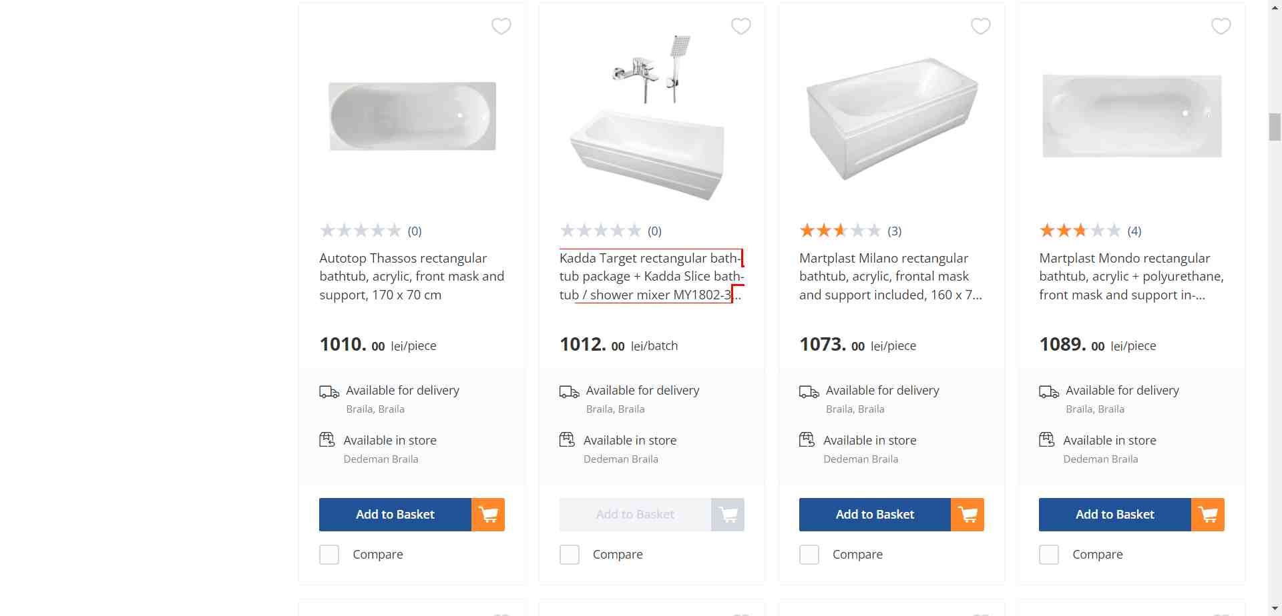

 |  |  |  |  |  |  |  | Link to screenshot
 |  |  |  |  |  |  |  | https://github.com/ValentinIordache92/Portfolio/blob/main/Add_to_basket1.jpg

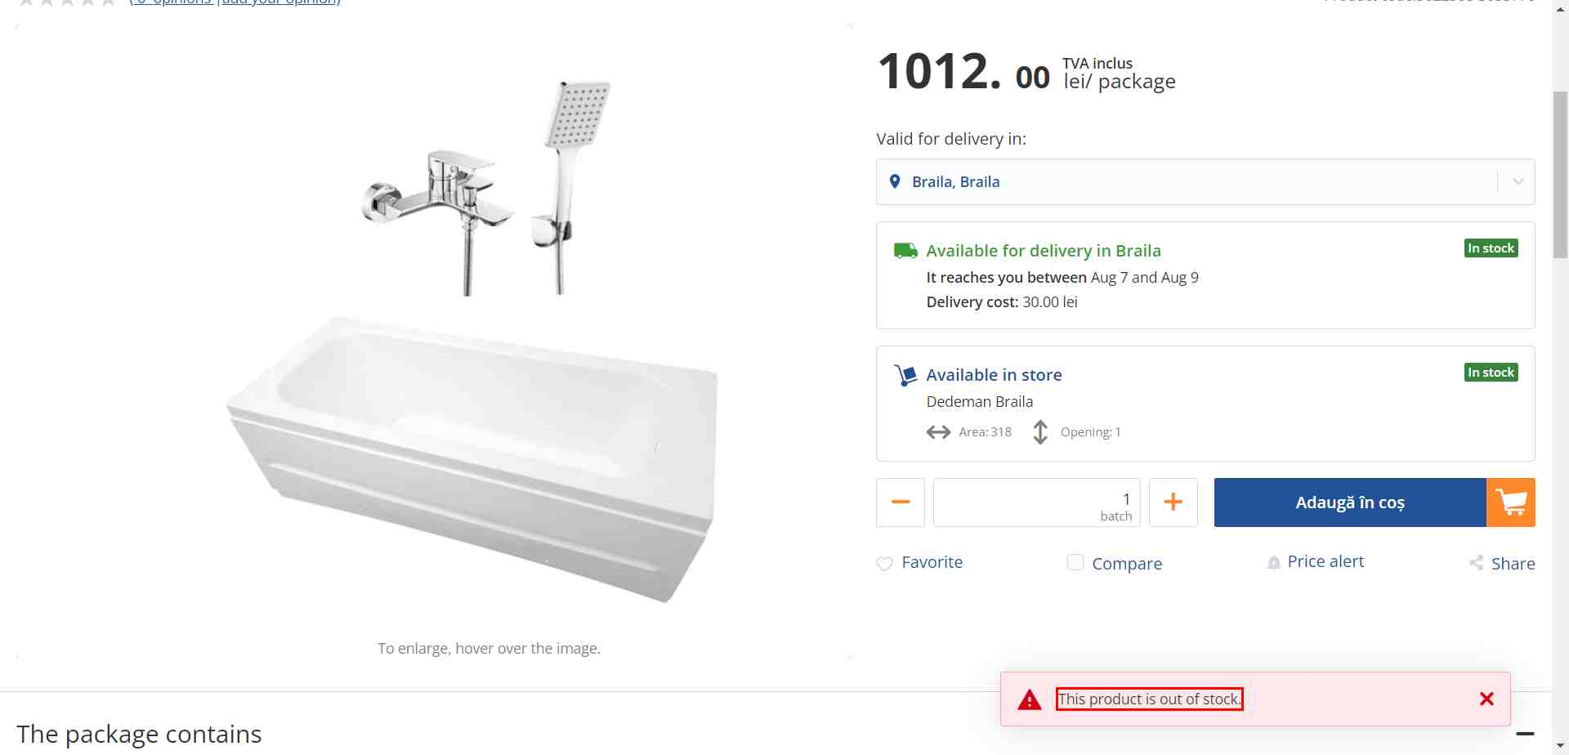

 |  |  |  |  |  |  |  | Link to screenshot
 |  |  |  |  |  |  |  | https://github.com/ValentinIordache92/Portfolio/blob/main/Add_to_basket2.jpg

Suvoda1
Bug ID |  | BUG_04 | Title | Dropdown menu returns incorrect data
Description |  | Incorrect job openings are listed when selecting Bucharest office
Environment |  | Version 117.0.5938.92 (Official Build) (64-bit) |  | Priority | low | Severity | low
Precondtion |  | Google Chrome browser must be opened.

QA Tester’s Log

Tester's Name |  | Iordache Valentin | Date Tested | 03.10.2023

Step # | Steps to reproduce
1 | Visit https://www.suvoda.com/careers/job-openings
2 | Select "Bucharest" office from the "All offices" dropdown menu

Current results |  | Job openings from Bucharest and Barcelona offices are listed

Expected Results |  | Only job openings from Bucharest office should be listed

SCREENSHOOT

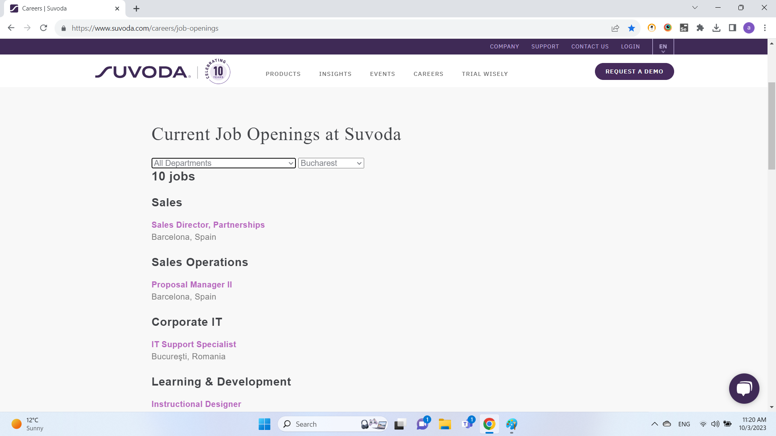

 |  |  |  |  |  |  |  | Link to screenshot
 |  |  |  |  |  |  |  | https://github.com/ValentinIordache92/Portfolio/blob/main/Suvoda%20bug3.png

Suvoda2
Bug ID |  | BUG_05 | Title | Dropdown menu returns incorrect data
Description |  | Incorrect job openings are listed when selecting Conshohocken office
Environment |  | Version 117.0.5938.92 (Official Build) (64-bit) |  | Priority | low | Severity | low
Precondtion |  | Google Chrome browser must be opened.

QA Tester’s Log

Tester's Name |  | Iordache Valentin | Date Tested | 03.10.2023

Step # | Steps to reproduce
1 | Visit https://www.suvoda.com/careers/job-openings
2 | Select "Conshohocken" office from the "All offices" dropdown menu

Current results |  | Job opening from Portland office is listed

Expected Results |  | Only job openings from Conshohocken office should be listed

SCREENSHOOT

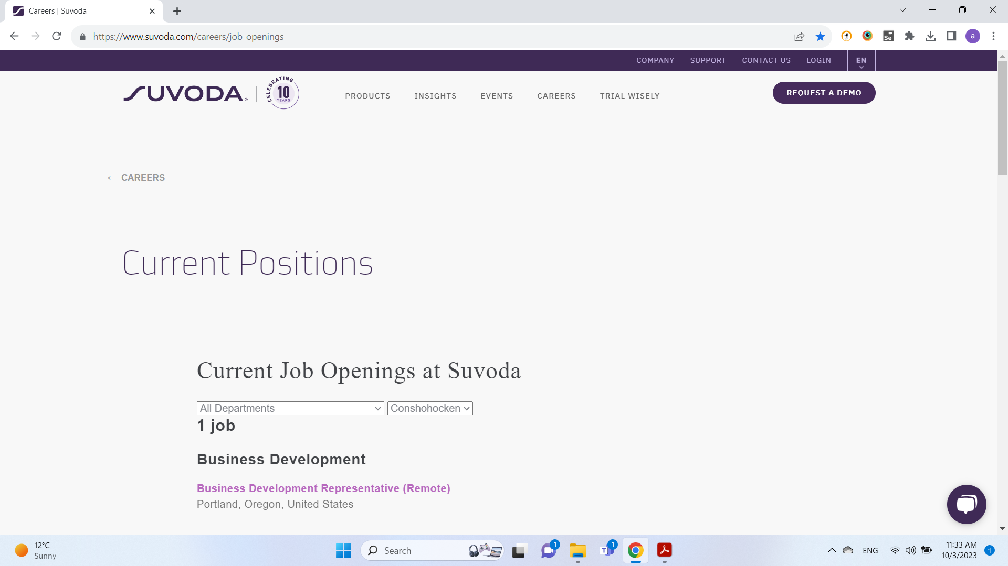

 |  |  |  |  |  |  |  | Link to screenshot
 |  |  |  |  |  |  |  | https://github.com/ValentinIordache92/Portfolio/blob/main/Suvoda%20bug4.png

NAOS1
Bug ID |  | BUG_06 | Title | Add to basket function is not working
Description |  | When I try to add an item into the basket, it reddirects me to the login page and then I get localhost:3000 error.
Environment |  | Version 117.0.5938.92 (Official Build) (64-bit) |  | Priority | low | Severity | medium
Precondtion |  | 1) Google Chrome browser must be opened. 2) Go to https://club-naos.ro/ 3) Login with email and password 4) Go to https://club-naos.ro/catalog-produse

QA Tester’s Log

Tester's Name |  | Iordache Valentin | Date Tested | 04.10.2023

Step # | Steps to reproduce
1 | Visit https://club-naos.ro/catalog-produse
2 | Hover over "ATODERM ULEI DE DUS*200 ML"
3 | Click Add to basket (Adauga in cos)

Current results |  | Add to basket does not appear when I hover over the product, when I click Login (Autentificare) I get an error (localhost:3000 This site can’t be reached)

Expected Results |  | When I hover over the product it should appear Add to basket (Adauga in cos) and when I click it the product should appear in my basket.

SCREENSHOOT

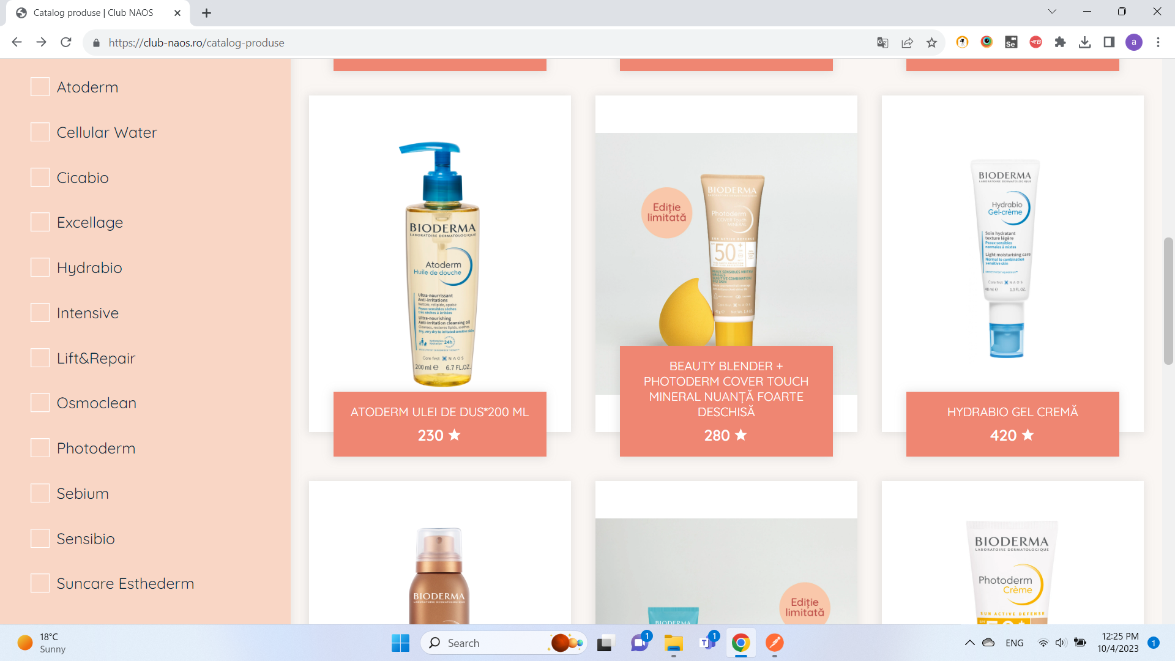
 |  |  |  |  |  |  |  | Link to screenshot
 |  |  |  |  |  |  |  | https://github.com/ValentinIordache92/Portfolio/blob/main/bioderma_bug1.png

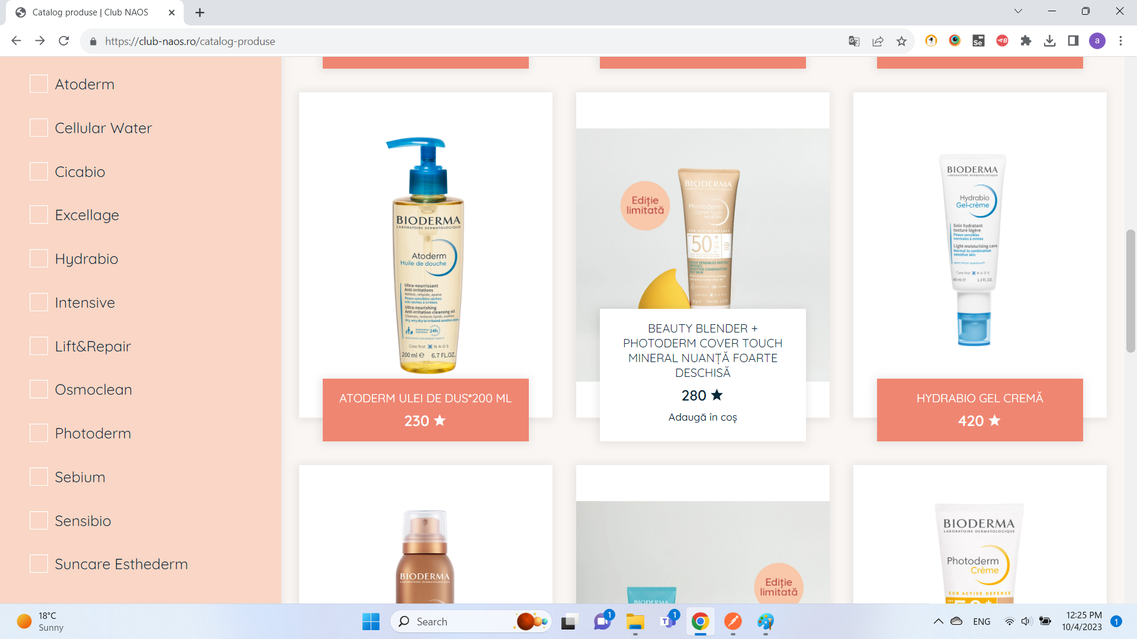

 |  |  |  |  |  |  |  | Link to screenshot
 |  |  |  |  |  |  |  | https://github.com/ValentinIordache92/Portfolio/blob/main/bioderma_bug2.png

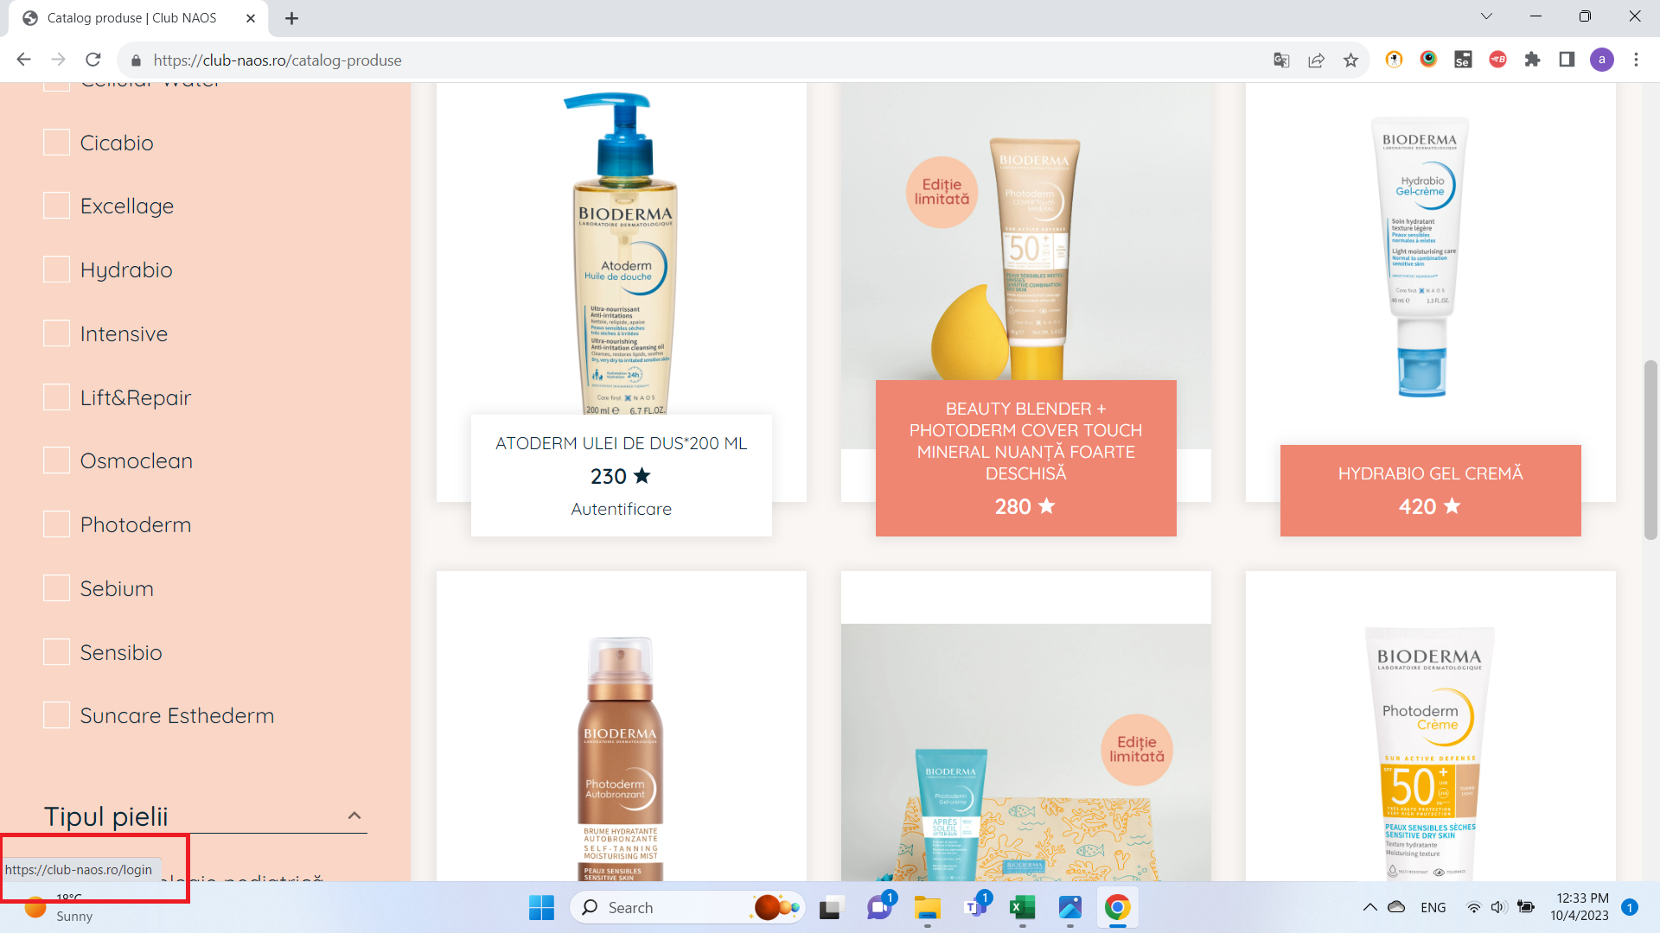

 |  |  |  |  |  |  |  | Link to screenshot
 |  |  |  |  |  |  |  | https://github.com/ValentinIordache92/Portfolio/blob/main/bioderma_bug3.png

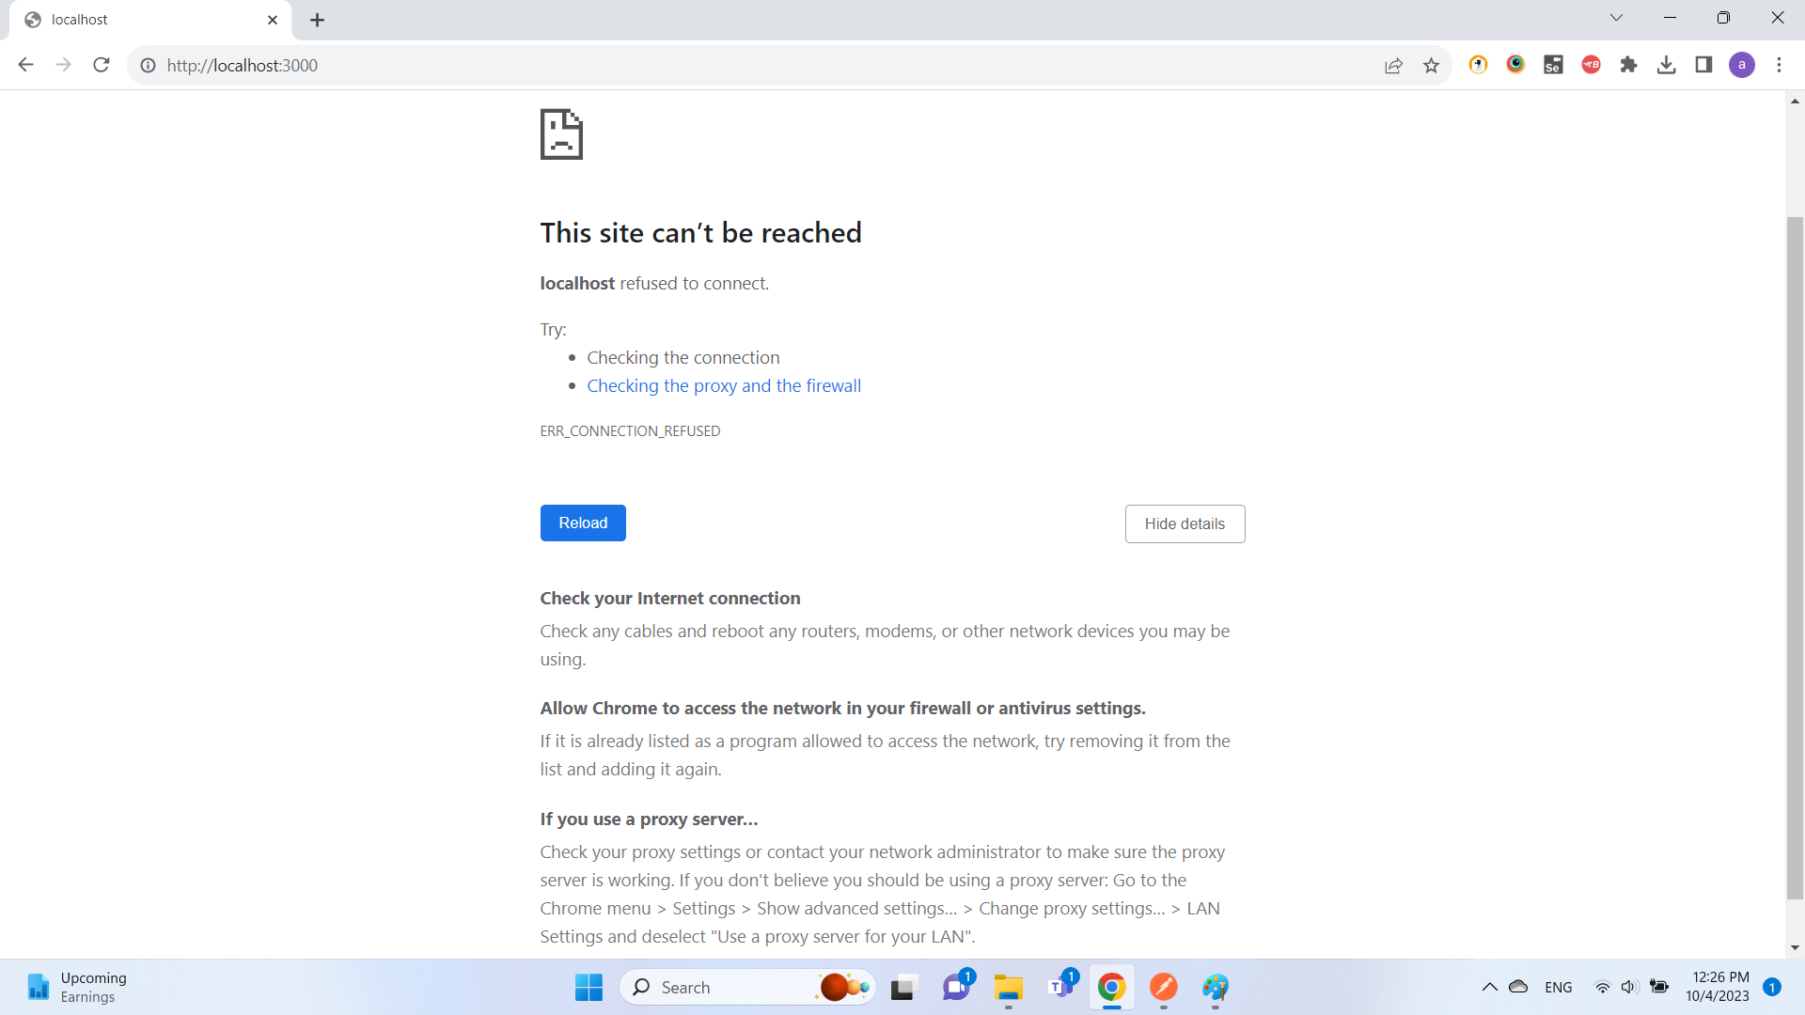

 |  |  |  |  |  |  |  | Link to screenshot
 |  |  |  |  |  |  |  | https://github.com/ValentinIordache92/Portfolio/blob/main/bioderma_bug4.png

